6 × 10⁴
S.No. | S. Name | Area | Species | Target gene | Forward Primer Sequence (5'→ 3') | Reverse Primer Sequence (5'→ 3') | Initial copy number of DNA | Run Time (minutes) | Normalization | Gel Image
1 | M (200bp) | 7505.267 | NA | NA | NA | NA | NA | NA | 100 | 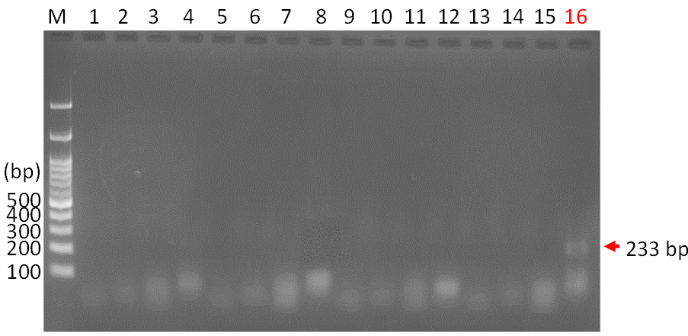
2 | 16 | 2729.376 | Ureaplasma parvum serovar 3 | ureB | ccaggtaaattagtaccaggggcaattaatttcgc | cctgatggaatatcgaaacgtcgtccataagcaac | 6 × 104 | 30 | 36.4

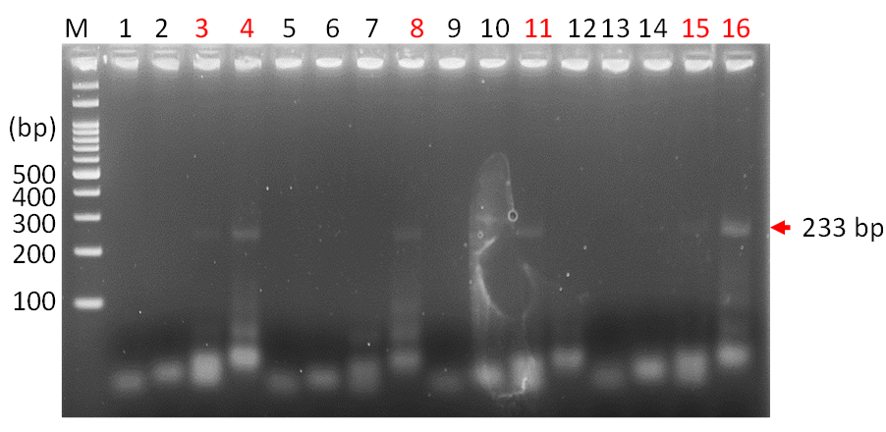
1 | M (200bp) | 7548.033 | NA | NA | NA | NA | NA | NA | 100
2 | 3 | 115.021 | Ureaplasma parvum serovar 3 | ureB | ccaggtaaattagtaccagg | cctgatggaatatcgaaacgtcgtccataa | 6 × 104 | 60 | 1.5
3 | 4 | 1153.255 | Ureaplasma parvum serovar 3 | ureB | ccaggtaaattagtaccagg | cctgatggaatatcgaaacgtcgtccataagcaac | 6 × 104 | 60 | 15.3
4 | 8 | 137.849 | Ureaplasma parvum serovar 3 | ureB | ccaggtaaattagtaccaggggcaa | cctgatggaatatcgaaacgtcgtccataagcaac | 6 × 104 | 60 | 1.8
5 | 11 | 693.062 | Ureaplasma parvum serovar 3 | ureB | ccaggtaaattagtaccaggggcaattaat | cctgatggaatatcgaaacgtcgtccataa | 6 × 104 | 60 | 9.2
Lane 15: No peak
6 | 15 | No peak detected | Ureaplasma parvum serovar 3 | ureB | ccaggtaaattagtaccaggggcaattaatttcgc | cctgatggaatatcgaaacgtcgtccataa | 6 × 104 | 60 | NA | 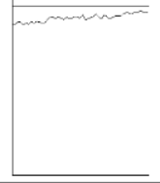
7 | 16 | 986.447 | Ureaplasma parvum serovar 3 | ureB | ccaggtaaattagtaccaggggcaattaatttcgc | cctgatggaatatcgaaacgtcgtccataagcaac | 6 × 104 | 60 | 13.1
NA: Not Applicable

